Figure 1
Title
Enter your title here
After years of growth the number of cleantech patents granted by USPTO has declined since 2014

Sub-Title
Enter your sub title here
(Total number of patents, 2001-2016)

Source
Enter your source here
Source: Brookings analysis of IP Checkups’ Cleantech PatentEdge database

Year | Cleantech Patents | All U.S. Patents (* Data till 2014)
2001 | 14,968 | 157,729
2002 | 14,927 | 167,433
2003 | 15,669 | 169,109
2004 | 15,037 | 164,411
2005 | 13,363 | 143,944
2006 | 15,677 | 173,920
2007 | 14,876 | 157,501
2008 | 14,662 | 157,944
2009 | 15,970 | 167,557
2010 | 22,918 | 219,913
2011 | 24,878 | 224,876
2012 | 27,855 | 253,630
2013 | 31,606 | 278,515
2014 | 35,271 | 296,084
2015 | 34,941
2016 | 31,991

After years of growth the number of cleantech patents granted by USPTO has declined since 2014
 | All U.S. Patents (* Data till 2014) | Cleantech Patents
2001 | 157,729 | 14,968
2002 | 167,433 | 14,927
2003 | 169,109 | 15,669
2004 | 164,411 | 15,037
2005 | 143,944 | 13,363
2006 | 173,920 | 15,677
2007 | 157,501 | 14,876
2008 | 157,944 | 14,662
2009 | 167,557 | 15,970
2010 | 219,913 | 22,918
2011 | 224,876 | 24,878
2012 | 253,630 | 27,855
2013 | 278,515 | 31,606
2014 | 296,084 | 35,271
2015 |  | 34,941
2016 |  | 31,991

Figure 2
CleanTech Categories | Share 2011-2016
Advanced Green Material | 18 | Title
Energy Efficiency | 18 | Enter your title here
Transportation | 18 | Cleantech patenting is disproportionately concentrated in a few categories
Energy Storage | 15
Solar | 9 | Sub-Title
Air | 5 | Enter your sub title here
Bioenergy | 4 | (Share across cleantech categories, 2011-2016)
Water & Wastewater | 4
Conventional Fuel | 3 | Source
Wind | 3 | Enter your source here
Recycling & Waste | 2 | Source: Brookings analysis of IP Checkups’ Cleantech PatentEdge database
Hydro & Marine Power | 1
Nuclear | 1
Geothermal | 0

Cleantech patenting is disproportionately concentrated in a few categories

Figure 3
Title
Enter your title here
The pace of patenting varies greatly across the different cleantech categories

Sub-Title
Enter your sub title here
(Average annual growth rate for 2001-2010 and 2011-2016)

Source
Enter your source here
Source: Brookings analysis of IP Checkups’ Cleantech PatentEdge database

Clean Tech Categories | Average annual growth rate 2001-2010 | Average annual growth rate 2011-2016
Advanced Green Material | 5.35% | 5.06%
Air | 2.10% | 0.89%
Bioenergy | 6.61% | 9.23%
Conventional Fuel | 2.09% | 5.96%
Energy Efficiency | 13.44% | 5.92%
Energy Storage | 7.98% | 7.69%
Geothermal | 1.72% | 8.55%
Hydro & Marine Power | 1.76% | -2.23%
Nuclear | -2.48% | 7.08%
Recycling & Waste | 0.41% | 1.27%
Solar | 8.98% | 4.28%
Transportation | 12.39% | 4.04%
Water & Wastewater | -4.54% | 3.09%
Wind | 24.46% | 7.07%

The pace of patenting varies greatly across the different cleantech categories

Figure 4
Title
Enter your title here
A few large metropolitan areas anchor the U.S. cleantech innovation map but activity extends to many diverse locations

Sub-Title
Enter your sub title here
Cleantech patents per million residents, 2011-2016

Source
Enter your source here
Source: Brookings analysis of IP Checkups’ Cleantech PatentEdge database

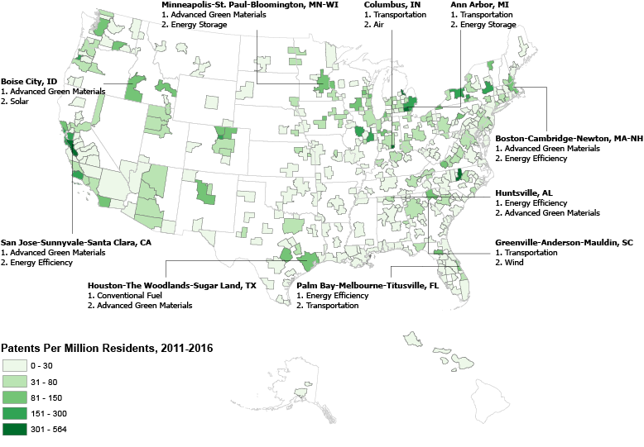
Separate Map in PDF

Figure 5
Title
Enter your title here
U.S. cleantech patenting is increasingly being led by foreign companies

Sub-Title
Enter your sub title here
(Share of cleantech patents owned by U.S. and foreign companies, 2001-2016)

Source
Enter your source here
Source: Brookings analysis of IP Checkups’ Cleantech PatentEdge database

Year | U.S Companies | Foregin Companies
2001 | 47.03% | 47.27%
2002 | 45.40% | 48.36%
2003 | 44.57% | 49.34%
2004 | 43.91% | 49.99%
2005 | 42.85% | 49.72%
2006 | 42.64% | 48.01%
2007 | 42.09% | 47.81%
2008 | 40.59% | 49.32%
2009 | 40.42% | 48.77%
2010 | 38.34% | 50.52%
2011 | 37.96% | 49.02%
2012 | 39.01% | 48.50%
2013 | 39.59% | 48.56%
2014 | 38.85% | 50.19%
2015 | 37.79% | 51.95%
2016 | 38.74% | 51.40%

U.S. cleantech patenting is increasingly being led by foreign companies

Figure 6
Title
Enter your title here
Majority of the top 15 cleantech patent assignees are from outside the United States

Sub-Title
Enter your sub title here
(Top 15 USPTO cleantech patent assignees, 2011-16)

Source
Enter your source here
Source: Brookings analysis of IP Checkups’ Cleantech PatentEdge database

Samsung Group, KR | 5,853
Toyota Motor Corporation, JP | 3,791
General Electric, US | 2,828
GM Global Technology Operations LLC, US | 2,715
LG Corporation, KR | 2,636
Panasonic Corporation, JP | 1,927
Ford Motor Company, US | 1,841
Honda Motor Co., JP | 1,829
Semiconductor Energy Laboratory Co., JP | 1,726
IBM Corporation, US | 1,547
Toshiba, JP | 1,308
Sony Corporation, JP | 1,303
Robert Bosch GmbH, DE | 1,080
Hyundai Motor Company, KR | 958
The Boeing Company, US | 914

Majority of the top 15 cleantech patent assignees are from outside the United States
Samsung Group, KR | 5,853
Toyota Motor Corporation, JP | 3,791
General Electric, US | 2,828
GM Global Technology Operations LLC, US | 2,715
LG Corporation, KR | 2,636
Panasonic Corporation, JP | 1,927
Ford Motor Company, US | 1,841
Honda Motor Co., JP | 1,829
Semiconductor Energy Laboratory Co., JP | 1,726
IBM Corporation, US | 1,547
Toshiba, JP | 1,308
Sony Corporation, JP | 1,303
Robert Bosch GmbH, DE | 1,080
Hyundai Motor Company, KR | 958
The Boeing Company, US | 914

